Hiearchy View
CLASS: MICROSCOPE
a laboratory instrument used to examine objects that are too small to be seen by the naked eye. |  | 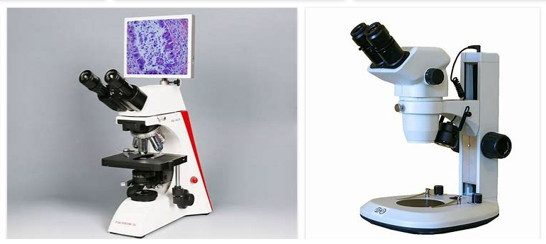
REMOVE | N

PROBLEM_DESC | CAUSE_DESC | REMEDY_DESC
ALARM/SENSOR
BROKEN/DAMAGED
LIGHTING
OTHER PROBLEM
POWER-ELEC
STOPPED/SLOWED/POOR OPS
TEMP-CTRL
VIBRATION
Grand Total

